FIP Drive
FUEL PUMP DRIVE 6D170E-3
DELIVERY AND RECEIVING INSPECTION CHECK SHEET

JOB NUMBER |  |  | : |  |  |  |  |  | PART NAME |  | : | Fuel Pump Drive |  |  | DOCUMENT NO. |  |  | : | QR01-SA-006-03
ENGINE MODEL |  |  | : | 6D170E-3 |  |  |  |  | PART NUMBER |  | : |  |  |  | PUBL. DATE |  |  | : | 28/08/2008
ENGINE S/N |  |  | : |  |  |  |  |  | START DATE / TIME |  | : |  |  |  | REVISION NO. |  |  | : | 01
MACHINE MODEL |  |  | : |  |  |  |  |  | FINISH DATE / TIME |  | : |  |  |  | PAGE |  |  | : | 1 of 1

SKETCH DRAWING

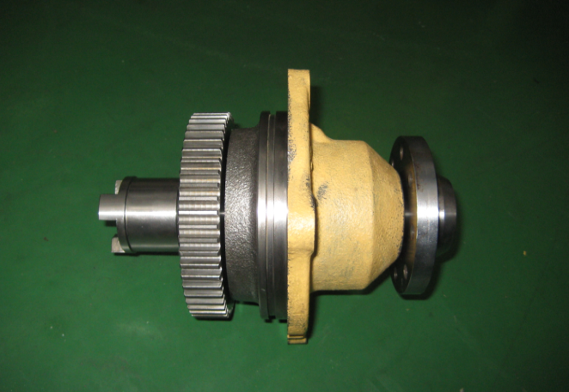
 |  |  |  |  |  |  |  |  |  | Description |  |  |  |  | Standard Dimension (mm)
 |  |  |  |  |  |  |  |  |  | In side diameter of Gear |  |  |  |  | 44.941 ~ 44.966
 |  |  |  |  |  |  |  |  |  | In side diameter of Flange |  |  |  |  | 29.938 ~ 29.959
 |  |  |  |  |  |  |  |  |  | In side diameter of Coupling |  |  |  |  | 25.425 ~ 25.438
 |  |  |  |  |  |  |  |  |  | Out side diameter of Shaft
 |  |  |  |  |  |  |  |  |  | • shaft contact with gear |  |  |  |  | 45.018 ~ 45.002
 |  |  |  |  |  |  |  |  |  | • shaft contact with Flange |  |  |  |  | 30.013 ~ 30.000
 |  |  |  |  |  |  |  |  |  | • shaft contact with Coupling |  |  |  |  | 25.089 ~ 25.076
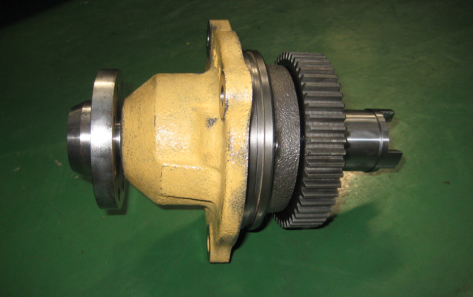
 |  |  |  |  |  |  |  |  |  | VISUAL INSPECT |  |  |  |  | MEC |  |  |  | QA
 |  |  |  |  |  |  |  |  |  |  |  |  |  |  | OK |  | NO |  | OK | NO
 |  |  |  |  |  |  |  |  |  | FREE CORROSION AND DIRT
 |  |  |  |  |  |  |  |  |  | CRACK HAS BEEN CHECKED
 |  |  |  |  |  |  |  |  |  | BOLTS HAS BEEN TIGHTENED
 |  |  |  |  |  |  |  |  |  | SHAFT ROTATES SMOOTLY

 | Physical Data
 | No | Part Name |  |  | Part Number |  | Qt'y | Check
 | 1 | Drive Case
 | 2 | Shaft
 | 3 | Oil Seal

RECEIVING INSPECTION COMMENT :

 | DELIVERY BY SUB ASS'Y 1 |  |  |  |  |  |  |  |  |  |  |  | RECEIVING INSPECTION BY MAIN ASS'Y
 | DELIVERY DATE |  |  |  |  | : |  |  |  |  |  |  | RECEIVING DATE |  |  | :
 | MECHANIC NAME |  |  |  |  | : |  |  |  |  |  |  | MECHANIC NAME |  |  | :
 | SIGN |  | : |  |  |  |  |  |  |  |  |  | SIGN | :

 | Note : New Fuel Pump Drive can be directly measured by QA Officer

